Sheet1
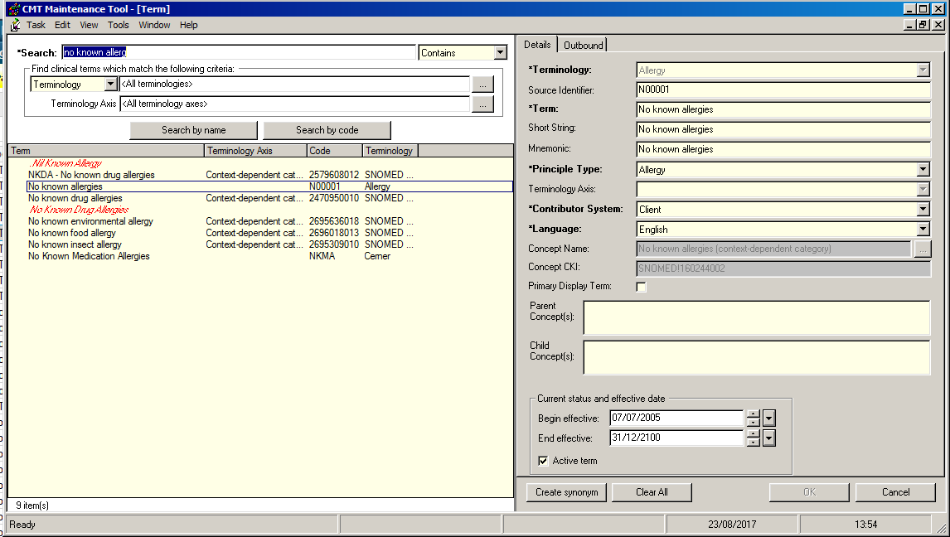
Train Domain
Term | Source Identifier | CKI | Terminology
No known allergies | N00001 | SNOMED!160244002 | Allergy

SELECT
 | n.mnemonic
 | , n.nomenclature_id
 | , n.source_identifier
 | , n.concept_cki
 | , n.end_effective_dt_tm "@SHORTDATETIME"
 | , n.updt_dt_tm "@SHORTDATETIME"
 | , c.concept_cki
 | , c.end_effective_dt_tm "@SHORTDATETIME"
 | , c.updt_dt_tm "@SHORTDATETIME"
FROM
 | nomenclature n
 | , cmt_concept c
plan n where n.active_ind =1
 | and n.source_identifier = "N00001"
join c where c.concept_cki = n.concept_cki
WITH nocounter, separator=" ", format

MNEMONIC | NOMENCLATURE_ID | SOURCE_IDENTIFIER | CONCEPT_CKI | SOURCE_STRING_KEYCAP | END_EFFECTIVE_DT_TM | UPDT_DT_TM | CONCEPT_CKI | END_EFFECTIVE_DT_TM | UPDT_DT_TM
No known allergies | 10239683 | N00001 | SNOMED!160244002 | NKA | 31/12/00 00:00:00 | 7/16/15 | SNOMED!160244002 | 31/12/00 00:00:00 | 3/11/09

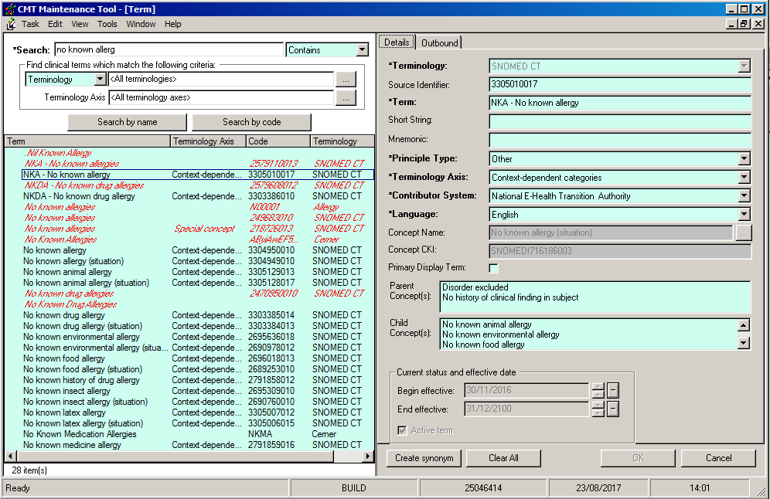
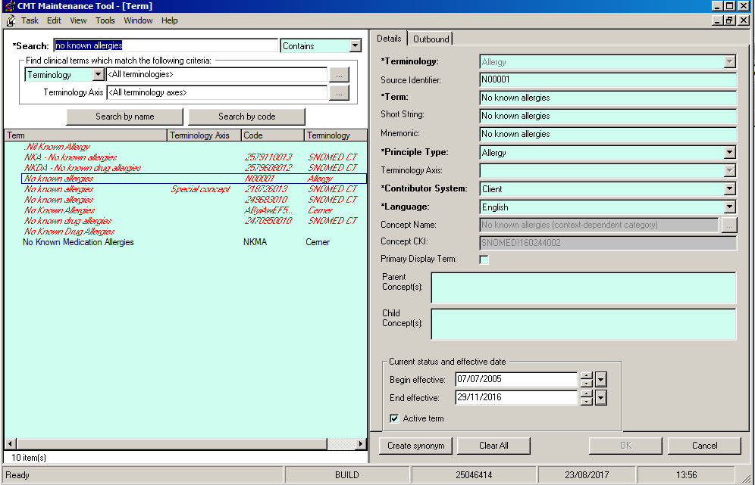
Build Domain
Term | Source Identifier | CKI
No known allergies | N00001 | SNOMED!160244002 | Allergy
NKA - No known allergy | 3305010017 | SNOMED!716186003 | SNOMED CT

MNEMONIC | NOMENCLATURE_ID | SOURCE_IDENTIFIER | CONCEPT_CKI | SOURCE_STRING_KEYCAP | END_EFFECTIVE_DT_TM | UPDT_DT_TM | CONCEPT_CKI | END_EFFECTIVE_DT_TM | UPDT_DT_TM
No known allergies | 10239683 | N00001 | SNOMED!160244002 | NKA | 29/11/16 23:59:59 | 5/1/17 | SNOMED!160244002 | 29/11/16 23:59:59 | 5/1/17

CMT_CONCEPT comparison
build
ACTIVE_IND | C_ACTIVE_STATUS_DISP | ACTIVE_STATUS_DT_TM | ACTIVE_STATUS_PRSNL_ID | BEG_EFFECTIVE_DT_TM | CONCEPT_CKI | CONCEPT_IDENTIFIER | CONCEPT_NAME | CONCEPT_SOURCE_MEAN | DISALLOWED_IND | END_EFFECTIVE_DT_TM | LAST_UTC_TS | ROWID | UPDT_APPLCTX | UPDT_CNT | UPDT_DT_TM | UPDT_ID | UPDT_TASK
1 |  | 03/02/05 | 0 | 01/01/03 | SNOMED!160244002 | 160244002 | No known allergies (context-dependent category) | SNOMED | 0 | 31/12/00 | 23/08/17 | AAAJBpAA3AAAgwqAAa | 0 | 2 | 01/05/17 | 0 | 15301
train
1 |  | 03/02/05 | 0 | 01/01/03 | SNOMED!160244002 | 160244002 | No known allergies (context-dependent category) | SNOMED | 0 | 31/12/00 |  | AAAXrDAAJAAA3a/AAt | 0 | 1 | 11/03/09 | 0 | 15301

